Sheet1
 | Clothing Size Guide |  | Clothing Size Guide | BRITISH ANTARCTIC SURVEY
Please read the following guide closely to understand the information and measurements that we require. This form will be used to create a kitbag that is tailored to your job role, location and clothing sizes. Please ensure that you complete all sections of the form and the information you provide is as accurate as possible. Once your bag has been made up the clothing store will be in contact to arrange either an in person or remote kitting appointment. If you do not fill in the form correctly i.e. only putting in Large instead of measurements or not filling in parts like glove size you will likely receive a poor fitting kit as we use many different brands that have different size ranges and fits. |  | Glove size |  | POLAR CLOTHING SIZE AND DESTINATION FORM
 |  | How to measure: |  | FOR KITBAG ISSUE

 |  | Palm girth: |  | Please read the Clothing Size Guide Document BEFORE Completing this form
 |  | Around your dominant hand at the knuckles with your fingers together |  | SECTION 1
 |  |  |  | Name
 |  | Palm length: |  | Job Tital/Description
 |  | From the crease at the base of your wrist (on palm side) to the tip of your middle finger |  | Please provide details of
 |  |  |  | job role and job locality
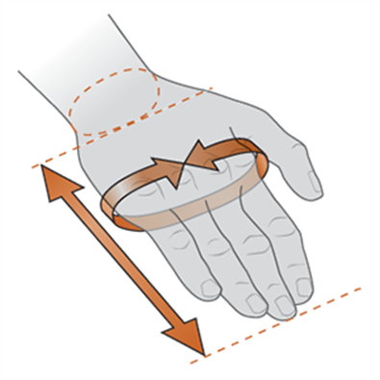
 |  |  |  | whilst in Antarctica
 |  |  |  | BAS Line Manager/Contact
 |  |  |  | SECTION 2
 |  |  |  | Please choose location and duration of tour from the below drop down options.
 |  |  |  | STATION/VESSEL

Body Dimensions
How to measure:
Neck:
Around the fullest part of the neck, at the base
Chest:
Around the chest, just under the arms and across the shoulder blades
Bust:
Around the apex of the bust, just under the arms and across the shoulder blades
Sleeve:
From the centre back of the neck, across the shoulder, and down the arm to the wrist
Waist:
Around the narrowest part of the waist
Hip:
Around the widest point of the hips
Inseam:
From the crotch to the floor on the inside of the leg
 |  |  |  | If FIELD WORK; will this be BAS
If you would prefer not to supply a gender this is fine. |  |  |  | or External organisation hosted?
 |  |  |  | DURATION:

 |  |  |  | SECTION 3
 |  |  |  | Are you a returning AEP, Mariner or Summer Visitor from the last 3 years?

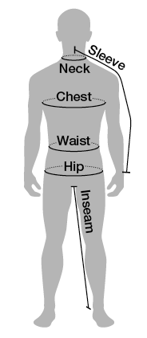
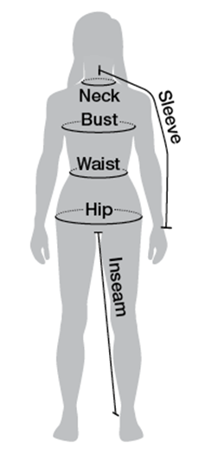
 |  |  |  | If you answered "Externally hosted field work" in Section 2 please answer the following:
 |  | Head Wear |  | Have you filled out an OSPQ?
 |  | How to measure: |  | Estimated minimum working temperatures -
 |  |  |  | (Including Wind Chill)
 |  | Head: |  | Is the environment expected to be:
 |  | Measure around the largest part of the head–about one inch above the eyebrows. |  | Is the externally hosting programme providing
 |  |  |  | additional Polar Clothing?

 |  |  |  | If you cannot answer these questions please contact your BAS Line Manager or PI to
 |  |  |  | find out BEFORE you submit this form
 |  |  |  | SECTION 4
 |  |  |  | Prefered Clothing Gender
 |  |  |  | Height | ft |  | inches |  | cm
 |  |  |  | Chest/Bust | inches |  | cm
 |  |  |  | Waist & Hips | inches |  | cm | inches |  | cm
 |  |  |  | Inseam | inches |  | cm
 |  |  |  | Hand Length & Girth | inches |  | cm | inches |  | cm
 |  |  |  | Head | inches |  | cm
 |  |  |  | Shoe-UK Size

 |  |  |  | Please select your preferred standard UK clothing sizes
 |  | PRESCRIPTION EYEWEAR |  | Mens Top Size |  | UK Womans Dress Size Top
 |  | If you requier prescription eyewear other than just for reading, you may require prescription glacier glasses for your Antarctic tour. Please email clothing@bas.ac.uk to discuss this possible requirement. |  | Mens Bottom Size |  | UK Womans Dress Size Bottom

 |  |  |  | If you have any queries regarding your Clothing size form or the polar clothing please contact:
 |  |  |  | BAS Clothing - Tel: 01223 221235; email: clothing@bas.ac.uk

