Sheet1
BRITISH ANTARCTIC SURVEY |  |  |  |  |  |  | Clothing Size Guide |  | Clothing Size Guide
POLAR CLOTHING SIZE AND DESTINATION FORM |  |  |  |  |  |  |  | Glove size
FOR KITBAG ISSUE |  |  |  |  |  | To keep Antarctica Covid - 19 free, BAS will be conducing remote kitting for new staff being deployed for the 21/22 operational season. This document will allow you to provide the relevant information for BAS Clothing to make up the kit bag with the right fitting kit for your role in Antarctica. |  | How to measure:

Please read the following Clothing Size Guide Document Adjacent to this BEFORE Completion |  |  |  |  |  |  |  | Palm girth:
SECTION 1 |  |  |  |  |  |  |  | Around your dominant hand at the knuckles with your fingers together
Name |  |  |  |  |  | Your kit bag will be sent out to you after your contract start date. After this a Kitting appointment will be arranged with you. All instructions for this kitting out process will be sent out via email for your kitting.
Job Description |  |  |  |  |  |  |  | Palm length:
Please provide details of |  |  |  |  |  |  |  | From the crease at the base of your wrist (on palm side) to the tip of your middle finger
job role and job locality |  |  |  |  |  | IF YOU ARE A RETURNER YOU WILL NOT HAVE TO HAVE A KITTING APPOINTMENT UNLESS YOUR JOB ROLE AND THUS KIT HAS CHANGED SIGINIFICANTLY. YOU ONLY NEED TO FILL IN SECTION 1, 2 AND 3 UNLESS YOU FEEL YOUR MEASURMENTS HAVE CHANGED SINCE YOUR LAST KITTING APPOINTMENT
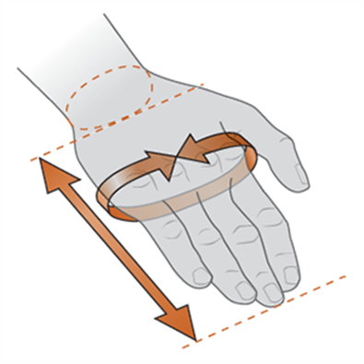
whilst in Antarctica
BAS Line Manager/Contact
SECTION 2
Please choose location and duration of tour from the below drop down options. |  |  |  |  |  | If you do not fill in the form correctly i.e. only putting in Large instead of measurements or not filling in parts like glove size you will likely receive a poor fitting kit as we use many different brands that have different size ranges and fits.
STATION/VESSEL | Other (please specify)

If FIELD WORK; will this be BAS
or External organisation hosted? |  |  |  |  |  | If you would prefer not to supply a gender this is fine.
DURATION:

Body Dimensions
How to measure:
Neck:
Around the fullest part of the neck, at the base
Chest:
Around the chest, just under the arms and across the shoulder blades
Bust:
Around the apex of the bust, just under the arms and across the shoulder blades
Sleeve:
From the centre back of the neck, across the shoulder, and down the arm to the wrist
Waist:
Around the narrowest part of the waist
Hip:
Around the widest point of the hips
Inseam:
From the crotch to the floor on the inside of the leg
SECTION 3
Are you a returning AEP, Mariner or Summer Visitor from the last 3 years?

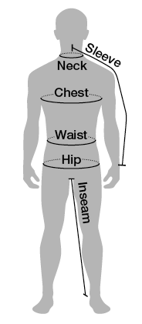
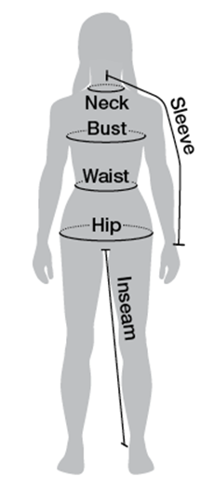
If you answered "Externally hosted field work" in Section 2 please answer the following:
Have you filled out an OSPQ? |  |  |  |  |  |  |  | Head Wear
Estimated minimum working temperatures - |  |  |  |  |  |  |  | How to measure:
(Including Wind Chill)
Is the environment expected to be: |  |  |  |  |  |  |  | Head:
Is the externally hosting programme providing |  |  |  |  |  |  |  | Measure around the largest part of the head–about one inch above the eyebrows.
additional Polar Clothing?

If you cannot answer these questions please contact your BAS Line Manager or PI to
find out BEFORE you submit this form
SECTION 4
Gender
Height | ft | inches | cm
Chest/Bust |  | inches | cm
Waist + Hips |  | inches | cm | inches | cm
Inseam |  | inches | cm
Hand Length + Girth |  | inches | cm | inches | cm
Head |  | inches | cm
Shoe-UK Size

Please Circle Preferred Standard UK Clothing Sizes
Top | XS S M L XL XXL |  |  | 6 8 10 12 14 16 18 |  |  |  | PRESCRIPTION EYEWEAR
Bottom | 28 30 32 34 36 38 40 42 44 |  |  | 6 8 10 12 14 16 18 |  |  |  | If you wear spectacles for other than reading, you may require prescription glacier glasses for your Antarctic tour. Please email clothing@bas.ac.uk to discuss this possible requirement.

If you have any queries regarding your Clothing size form or the polar clothing please contact:
BAS Clothing; Tel: 01223 221235; email: clothing@bas.ac.uk

